Dashboard
NIST 800-53 Controls Bar Chart
NIST 800-53 Controls Bar Chart
Family | Low | Medium | High
AC | 11 | 43 | 54
AT | 4 | 5 | 7
AU | 10 | 19 | 31
CA | 7 | 15 | 16
CM | 8 | 26 | 36
CP | 6 | 24 | 35
IA | 15 | 27 | 31
IR | 7 | 13 | 21
MA | 4 | 11 | 14
MP | 4 | 10 | 12
PE | 10 | 20 | 27
PL | 3 | 6 | 6
PS | 8 | 9 | 10
RA | 4 | 10 | 12
SA | 7 | 22 | 26
SC | 10 | 31 | 38
SI | 7 | 28 | 39
Total | 125 | 319 | 415

NIST 800-53 Controls Slope Chart

Low High Medium
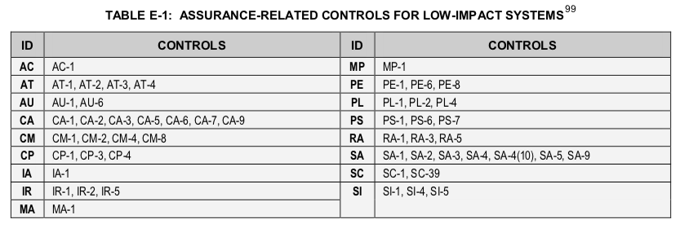
High | Low/Medium
AC-1-0 | AC-1-0 | Notes: For High Baseline, IR-9 (0,1,2,3,4) and SC-6 (0) are no longer in the High Impact Controls. Thus, there are only 415 controls instead of 421. For Low/Medium Baseline, IR-9 (0,1,2,3,4) and SC-6 (0) are no longer in the Low/Medium Impact Controls. Thus, there are only 319 controls instead of 325. There are 763 total controls (main controls & control enhancements) with main contols that have low, medium, and high impact. There are 906 total controls. This number includes main controls that do not have low, medium, or high impact. Websites https://nvlpubs.nist.gov/nistpubs/SpecialPublications/NIST.SP.800-53r4.pdf https://nvd.nist.gov/800-53
AC-2-0 | AC-2-0
AC-2-1 | AC-2-1
AC-2-2 | AC-2-2
AC-2-3 | AC-2-3
AC-2-4 | AC-2-4
AC-2-5 | AC-2-5
AC-2-7 | AC-2-7
AC-2-9 | AC-2-9
AC-2-10 | AC-2-10
AC-2-11 | AC-2-12
AC-2-12 | AC-3-0
AC-2-13 | AC-4-0
AC-3-0 | AC-4-21
AC-4-0 | AC-5-0
AC-4-8 | AC-6-0
AC-4-21 | AC-6-1
AC-5-0 | AC-6-2
AC-6-0 | AC-6-5
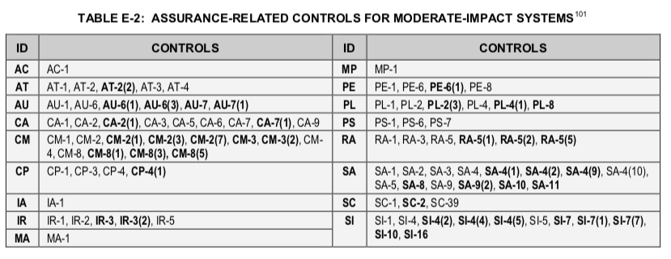
AC-6-1 | AC-6-9
AC-6-2 | AC-6-10
AC-6-3 | AC-7-0
AC-6-5 | AC-8-0
AC-6-7 | AC-10-0
AC-6-8 | AC-11-0
AC-6-9 | AC-11-1
AC-6-10 | AC-12-0
AC-7-0 | AC-14-0
AC-7-2 | AC-17-0
AC-8-0 | AC-17-1
AC-10-0 | AC-17-2
AC-11-0 | AC-17-3
AC-11-1 | AC-17-4
AC-12-0 | AC-17-9
AC-12-1 | AC-18-0
AC-14-0 | AC-18-1
AC-17-0 | AC-19-0
AC-17-1 | AC-19-5
AC-17-2 | AC-20-0
AC-17-3 | AC-20-1
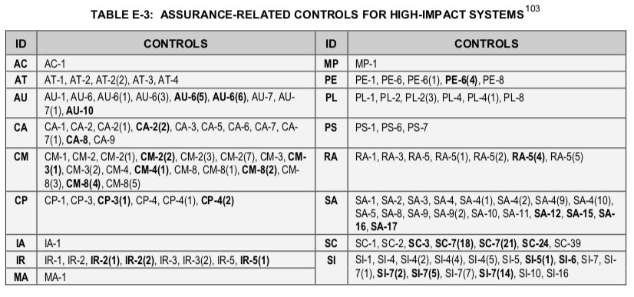
AC-17-4 | AC-20-2
AC-17-9 | AC-21-0
AC-18-0 | AC-22-0
AC-18-1 | AT-1-0
AC-18-3 | AT-2-0
AC-18-4 | AT-2-2
AC-18-5 | AT-3-0
AC-19-0 | AT-4-0
AC-19-5 | AU-1-0
AC-20-0 | AU-2-0
AC-20-1 | AU-2-3
AC-20-2 | AU-3-0
AC-21-0 | AU-3-1
AC-22-0 | AU-4-0
AT-1-0 | AU-5-0
AT-2-0 | AU-6-0
AT-2-2 | AU-6-1
AT-3-0 | AU-6-3
AT-3-3 | AU-7-0
AT-3-4 | AU-7-1
AT-4-0 | AU-8-0
AU-1-0 | AU-8-1
AU-2-0 | AU-9-0
AU-2-3 | AU-9-2
AU-3-0 | AU-9-4
AU-3-1 | AU-11-0
AU-3-2 | AU-12-0
AU-4-0 | CA-1-0
AU-5-0 | CA-2-0
AU-5-1 | CA-2-1
AU-5-2 | CA-2-2
AU-6-0 | CA-2-3
AU-6-1 | CA-3-0
AU-6-3 | CA-3-3
AU-6-4 | CA-3-5
AU-6-5 | CA-5-0
AU-6-6 | CA-6-0
AU-6-7 | CA-7-0
AU-6-10 | CA-7-1
AU-7-0 | CA-8-0
AU-7-1 | CA-8-1
AU-8-0 | CA-9-0
AU-8-1 | CM-1-0
AU-9-0 | CM-2-0
AU-9-2 | CM-2-1
AU-9-3 | CM-2-2
AU-9-4 | CM-2-3
AU-10-0 | CM-2-7
AU-11-0 | CM-3-0
AU-12-0 | CM-4-0
AU-12-1 | CM-5-0
AU-12-3 | CM-5-1
CA-1-0 | CM-5-3
CA-2-0 | CM-5-5
CA-2-1 | CM-6-0
CA-2-2 | CM-6-1
CA-2-3 | CM-7-0
CA-3-0 | CM-7-1
CA-3-3 | CM-7-2
CA-3-5 | CM-7-5
CA-5-0 | CM-8-0
CA-6-0 | CM-8-1
CA-7-0 | CM-8-3
CA-7-1 | CM-8-5
CA-7-3 | CM-9-0
CA-8-0 | CM-10-0
CA-8-1 | CM-10-1
CA-9-0 | CM-11-0
CM-1-0 | CP-1-0
CM-2-0 | CP-2-0
CM-2-1 | CP-2-1
CM-2-2 | CP-2-2
CM-2-3 | CP-2-3
CM-2-7 | CP-2-8
CM-3-0 | CP-3-0
CM-3-1 | CP-4-0
CM-3-2 | CP-4-1
CM-3-4 | CP-6-0
CM-3-6 | CP-6-1
CM-4-0 | CP-6-3
CM-4-1 | CP-7-0
CM-5-0 | CP-7-1
CM-5-1 | CP-7-2
CM-5-2 | CP-7-3
CM-5-3 | CP-8-0
CM-5-5 | CP-8-1
CM-6-0 | CP-8-2
CM-6-1 | CP-9-0
CM-6-2 | CP-9-1
CM-7-0 | CP-9-3
CM-7-1 | CP-10-0
CM-7-2 | CP-10-2
CM-7-5 | IA-1-0
CM-8-0 | IA-2-0
CM-8-1 | IA-2-1
CM-8-2 | IA-2-2
CM-8-3 | IA-2-3
CM-8-4 | IA-2-5
CM-8-5 | IA-2-8
CM-9-0 | IA-2-11
CM-10-0 | IA-2-12
CM-10-1 | IA-3-0
CM-11-0 | IA-4-0
CM-11-1 | IA-4-4
CP-1-0 | IA-5-0
CP-2-0 | IA-5-1
CP-2-1 | IA-5-2
CP-2-2 | IA-5-3
CP-2-3 | IA-5-4
CP-2-4 | IA-5-6
CP-2-5 | IA-5-7
CP-2-8 | IA-5-11
CP-3-0 | IA-6-0
CP-3-1 | IA-7-0
CP-4-0 | IA-8-0
CP-4-1 | IA-8-1
CP-4-2 | IA-8-2
CP-6-0 | IA-8-3
CP-6-1 | IA-8-4
CP-6-2 | IR-1-0
CP-6-3 | IR-2-0
CP-7-0 | IR-3-0
CP-7-1 | IR-3-2
CP-7-2 | IR-4-0
CP-7-3 | IR-4-1
CP-7-4 | IR-5-0
CP-8-0 | IR-6-0
CP-8-1 | IR-6-1
CP-8-2 | IR-7-0
CP-8-3 | IR-7-1
CP-8-4 | IR-7-2
CP-9-0 | IR-8-0
CP-9-1 | IR-9-0
CP-9-2 | IR-9-1
CP-9-3 | IR-9-2
CP-9-5 | IR-9-3
CP-10-0 | IR-9-4
CP-10-2 | MA-1-0
CP-10-4 | MA-2-0
IA-1-0 | MA-3-0
IA-2-0 | MA-3-1
IA-2-1 | MA-3-2
IA-2-2 | MA-3-3
IA-2-3 | MA-4-0
IA-2-4 | MA-4-2
IA-2-5 | MA-5-0
IA-2-8 | MA-5-1
IA-2-9 | MA-6-0
IA-2-11 | MP-1-0
IA-2-12 | MP-2-0
IA-3-0 | MP-3-0
IA-4-0 | MP-4-0
IA-4-4 | MP-5-0
IA-5-0 | MP-5-4
IA-5-1 | MP-6-0
IA-5-2 | MP-6-2
IA-5-3 | MP-7-0
IA-5-4 | MP-7-1
IA-5-6 | PE-1-0
IA-5-7 | PE-2-0
IA-5-8 | PE-3-0
IA-5-11 | PE-4-0
IA-5-13 | PE-5-0
IA-6-0 | PE-6-0
IA-7-0 | PE-6-1
IA-8-0 | PE-8-0
IA-8-1 | PE-9-0
IA-8-2 | PE-10-0
IA-8-3 | PE-11-0
IA-8-4 | PE-12-0
IR-1-0 | PE-13-0
IR-2-0 | PE-13-2
IR-2-1 | PE-13-3
IR-2-2 | PE-14-0
IR-3-0 | PE-14-2
IR-3-2 | PE-15-0
IR-4-0 | PE-16-0
IR-4-1 | PE-17-0
IR-4-2 | PL-1-0
IR-4-3 | PL-2-0
IR-4-4 | PL-2-3
IR-4-6 | PL-4-0
IR-4-8 | PL-4-1
IR-5-0 | PL-8-0
IR-5-1 | PS-1-0
IR-6-0 | PS-2-0
IR-6-1 | PS-3-0
IR-7-0 | PS-3-3
IR-7-1 | PS-4-0
IR-7-2 | PS-5-0
IR-8-0 | PS-6-0
IR-9-0 | PS-7-0
IR-9-1 | PS-8-0
IR-9-2 | RA-1-0
IR-9-3 | RA-2-0
IR-9-4 | RA-3-0
MA-1-0 | RA-5-0
MA-2-0 | RA-5-1
MA-2-2 | RA-5-2
MA-3-0 | RA-5-3
MA-3-1 | RA-5-5
MA-3-2 | RA-5-6
MA-3-3 | RA-5-8
MA-4-0 | SA-1-0
MA-4-2 | SA-2-0
MA-4-3 | SA-3-0
MA-4-6 | SA-4-0
MA-5-0 | SA-4-1
MA-5-1 | SA-4-2
MA-6-0 | SA-4-8
MP-1-0 | SA-4-9
MP-2-0 | SA-4-10
MP-3-0 | SA-5-0
MP-4-0 | SA-8-0
MP-5-0 | SA-9-0
MP-5-4 | SA-9-1
MP-6-0 | SA-9-2
MP-6-1 | SA-9-4
MP-6-2 | SA-9-5
MP-6-3 | SA-10-0
MP-7-0 | SA-10-1
MP-7-1 | SA-11-0
PE-1-0 | SA-11-1
PE-2-0 | SA-11-2
PE-3-0 | SA-11-8
PE-3-1 | SC-1-0
PE-4-0 | SC-2-0
PE-5-0 | SC-4-0
PE-6-0 | SC-5-0
PE-6-1 | SC-6-0
PE-6-4 | SC-7-0
PE-8-0 | SC-7-3
PE-8-1 | SC-7-4
PE-9-0 | SC-7-5
PE-10-0 | SC-7-7
PE-11-0 | SC-7-8
PE-11-1 | SC-7-12
PE-12-0 | SC-7-13
PE-13-0 | SC-7-18
PE-13-1 | SC-8-0
PE-13-2 | SC-8-1
PE-13-3 | SC-10-0
PE-14-0 | SC-12-0
PE-14-2 | SC-12-2
PE-15-0 | SC-12-3
PE-15-1 | SC-13-0
PE-16-0 | SC-15-0
PE-17-0 | SC-17-0
PE-18-0 | SC-18-0
PL-1-0 | SC-19-0
PL-2-0 | SC-20-0
PL-2-3 | SC-21-0
PL-4-0 | SC-22-0
PL-4-1 | SC-23-0
PL-8-0 | SC-28-0
PS-1-0 | SC-28-1
PS-2-0 | SC-39-0
PS-3-0 | SI-1-0
PS-3-3 | SI-2-0
PS-4-0 | SI-2-2
PS-4-2 | SI-2-3
PS-5-0 | SI-3-0
PS-6-0 | SI-3-1
PS-7-0 | SI-3-2
PS-8-0 | SI-3-7
RA-1-0 | SI-4-0
RA-2-0 | SI-4-1
RA-3-0 | SI-4-2
RA-5-0 | SI-4-4
RA-5-1 | SI-4-5
RA-5-2 | SI-4-14
RA-5-3 | SI-4-16
RA-5-4 | SI-4-23
RA-5-5 | SI-5-0
RA-5-6 | SI-6-0
RA-5-8 | SI-7-0
RA-5-10 | SI-7-1
SA-1-0 | SI-7-7
SA-2-0 | SI-8-0
SA-3-0 | SI-8-1
SA-4-0 | SI-8-2
SA-4-1 | SI-10-0
SA-4-2 | SI-11-0
SA-4-8 | SI-12-0
SA-4-9 | SI-16-0
SA-4-10
SA-5-0
SA-8-0
SA-9-0
SA-9-1
SA-9-2
SA-9-4
SA-9-5
SA-10-0
SA-10-1
SA-11-0
SA-11-1
SA-11-2
SA-11-8
SA-12-0
SA-15-0
SA-16-0
SA-17-0
SC-1-0
SC-2-0
SC-3-0
SC-4-0
SC-5-0
SC-6-0
SC-7-0
SC-7-3
SC-7-4
SC-7-5
SC-7-7
SC-7-8
SC-7-10
SC-7-12
SC-7-13
SC-7-18
SC-7-20
SC-7-21
SC-8-0
SC-8-1
SC-10-0
SC-12-0
SC-12-1
SC-12-2
SC-12-3
SC-13-0
SC-15-0
SC-17-0
SC-18-0
SC-19-0
SC-20-0
SC-21-0
SC-22-0
SC-23-0
SC-23-1
SC-24-0
SC-28-0
SC-28-1
SC-39-0
SI-1-0
SI-2-0
SI-2-1
SI-2-2
SI-2-3
SI-3-0
SI-3-1
SI-3-2
SI-3-7
SI-4-0
SI-4-1
SI-4-2
SI-4-4
SI-4-5
SI-4-11
SI-4-14
SI-4-16
SI-4-18
SI-4-19
SI-4-20
SI-4-22
SI-4-23
SI-4-24
SI-5-0
SI-5-1
SI-6-0
SI-7-0
SI-7-1
SI-7-2
SI-7-5
SI-7-7
SI-7-14
SI-8-0
SI-8-1
SI-8-2
SI-10-0
SI-11-0
SI-12-0
SI-16-0

